Sheet1
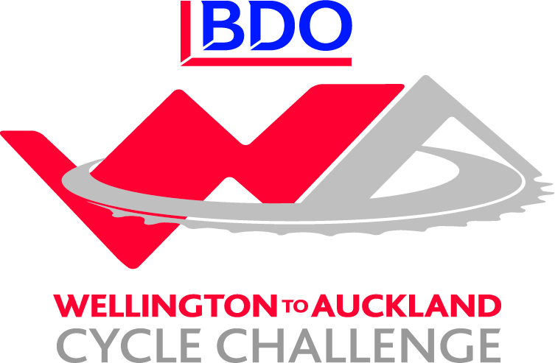

BDO Wellington to Auckland Cycle Challenge - Corporate Challenge Results / Leaderboard
Team | Stage 1 | Bonus | Stage 2 | Bounus | Stage 3 | Stage 4 | Stage 5 | Stage 6 | Stage 7 | Stage 8 | Stage 9 | Stage 10 | Stage 11 | Stage 12 | Total
NZ Navy | 12 | 7 | 11 | 9 |  |  |  |  |  |  |  |  |  |  | 39
GoBro | 13 | 6 | 12 | 6 |  |  |  |  |  |  |  |  |  |  | 37
2degrees | 15 | 3 | 14 | 3 |  |  |  |  |  |  |  |  |  |  | 35
True Oak - Kiwivelo | 14 | 3 | 15 | 3 |  |  |  |  |  |  |  |  |  |  | 35
Westpac Auckland | 11 | 5 | 13 | 5 |  |  |  |  |  |  |  |  |  |  | 34
BDO 1 | 8 | 8 | 8 | 8 |  |  |  |  |  |  |  |  |  |  | 32
Sport New Zealand | 7 | 9 | 7 | 9 |  |  |  |  |  |  |  |  |  |  | 32
Westpac Waikato | 10 | 5 | 9 | 5 |  |  |  |  |  |  |  |  |  |  | 29
Invacare | 6 | 8 | 6 | 8 |  |  |  |  |  |  |  |  |  |  | 28
BDO Northland | 9 | 3 | 10 | 3 |  |  |  |  |  |  |  |  |  |  | 25
TVNZ - VIP | 5 | 4 | 5 | 4 |  |  |  |  |  |  |  |  |  |  | 18
Xero | 3 | 4 | 3 | 4 |  |  |  |  |  |  |  |  |  |  | 14
BDO 2 | 4 | 2 | 4 | 3 |  |  |  |  |  |  |  |  |  |  | 13

